Colours to be used
BSPT reviewed Names and RGB colours

Major Feature | Proposed Names | Avg Swatch | Avg RED | Avg GRN | Avg BLU | No. in Averge
Coastline | Black |  | 0 | 0 | 0 | 5
Land | Buff |  | 251 | 240 | 198 | 5
Land infrastructures | Grey |  | 195 | 194 | 186 | 4
Topography | Brown |  | 119 | 86 | 42 | 3
Urban areas | Light Grey |  | 215 | 209 | 195 | 5

Intertidal | Intertidal Green |  | 193 | 222 | 199 | 4
Depth Contours | Contour Blue |  | 23 | 136 | 186 | 5
Shallow depth area | Dark Blue |  | 133 | 207 | 235 | 5
Medium Depth area | Light Blue |  | 215 | 238 | 250
Deeper depth area | Blue |  | 224 | 241 | 251

Compass rose and aids | Nautical Purple |  | 156 | 59 | 142 | 5
Traffic separation | Light purple |  | 229 | 158 | 233 | 5
Red aids | Red |  | 237 | 28 | 36
Orange aids | Orange |  | 226 | 119 | 31 | 2
Yellow aids | Yellow |  | 251 | 205 | 12 | 3
Green aids and areas | Green |  | 46 | 168 | 112 | 4

White aids and other | White |  | 255 | 255 | 255

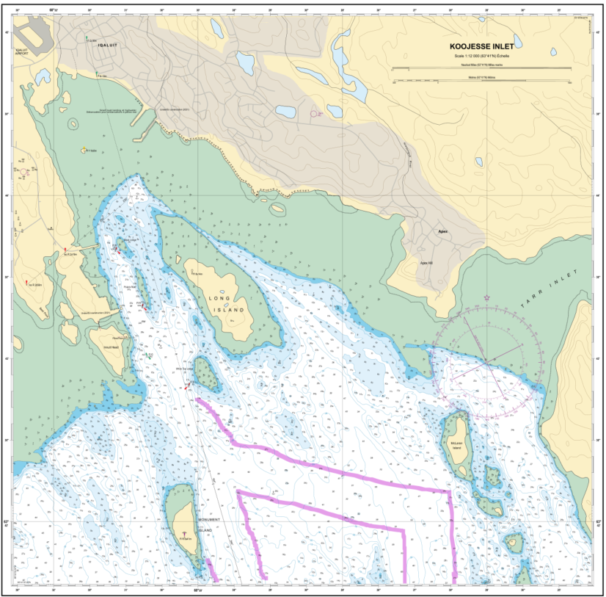
Example product:

Main
 | Canada |  |  |  |  |  |  | Finland |  |  |  |  |  |  | UKHO |  |  |  |  |  |  |  | New Zealand |  |  |  |  |  |  | US NOAA |  |  |  |  |  |  |  |  |  |  |  |  |  |  |  |  |  |  |  |  |  |  | Proposal from NOAA
 |  |  |  |  |  |  |  |  |  |  |  |  |  |  |  |  |  |  |  |  |  |  | CYMK to RBG conversion: https://www.rapidtables.com/convert/color/rgb-to-cmyk.html
Major Feature (proposed Names) | Colour Name | Uasge Examples | Sample Swatch | RGB - RED | RGB - GRN | RGB - BLU | CMYK | Colour Name | Usage Examples | Sample Swatch | RGB - RED | RGB - GRN | RGB - BLU | CMYK | Colour Name | Colour Name | Usage Examples | Sample Swatch | RGB - RED | RGB - GRN | RGB - BLU | CMYK | Colour Name | Usage Examples | Sample Swatch | RGB - RED | RGB - GRN | RGB - BLU | CMYK | Colour Name | Colour Name | Usage Examples | Sample Swatch | RGB - RED | RGB - GRN | RGB - BLU | CMYK | HEX | Canada Swatch | Finland Swatch | UKHO Swatch | New Zeland Swatch | NOAA Swatch | Avg Swatch | Avg RED | Avg GRN | Avg BLU | No. in Averge |  |  |  |  |  | Major Feature | Proposed Names | Avg Swatch | Avg RED | Avg GRN | Avg BLU | No. in Averge
Coastline | Black | Black Features Shoreline, Hydrography, Text, Culture, Symbolized Bathymetric Contours, Catalogues, SD Indexes. |  | 0 | 0 | 0 |  | Black |  |  | 0 | 0 | 0 | C0 M0 Y0 K100 | BLK | BLACK |  |  | 0 | 0 | 0 |  | Black |  |  | 0 | 0 | 0 | 0,0,0,0 | Black | 100% black | Chart Framework, Shoreline, Hazard Limits, Fairway Limits, Text, Symbol Linework |  | 0 | 0 | 0 | 0, 0, 0, 100 | 0 |  |  |  |  |  |  | 0 | 0 | 0 | 5 | Yes |  |  |  |  | Coastline | Black |  | 0 | 0 | 0 | 5
Land | Buff | Land Fill (Tint) |  | 255 | 239 | 204 |  | Land tint |  |  | 250 | 240 | 203 | C0 M6 Y25 K0 | FLT | FLAT LAND TINT (BUFF) | Land (we also have a grey for Imperial charts) |  | 253 | 246 | 204 |  |  | Land Area |  | 255 | 242 | 186 | 0,5,27,0 | Land Gold | 20% gold | Dry Land |  | 244 | 232 | 193 | 0, 5, 21, 4 | f4e8c1 |  |  |  |  |  |  | 251 | 240 | 198 | 5 |  |  |  |  |  | Land | Buff |  | 251 | 240 | 198 | 5
Land infrastructures | Grey | Grey Roads, Building Fill, Military Practice and Exercise Area. |  | 206 | 201 | 188 |  | Grey |  |  | 237 | 238 | 238 | C0 M0 Y0 K8 |  |  |  |  |  |  |  |  | Grey |  |  | 198 | 204 | 194 | 3,0,5,20 | Medium Gray | NCC Only | Roads, Runways, Related Text |  | 139 | 134 | 124 | 0, 4, 11, 45 | 8b867c |  |  |  |  |  |  | 195 | 194 | 186 | 4 |  |  |  |  |  | Land infrastructures | Grey |  | 195 | 194 | 186 | 4
Topography | Brown | Topographic Contours |  | 206 | 139 | 78 |  |  |  |  |  |  |  |  |  |  |  |  |  |  |  |  |  | Land Elevation |  | 0 | 0 | 0 | 0,0,0,100 | Gold | NCC Only | Elevation Contours, Related Text |  | 151 | 119 | 49 | 0, 21, 68, 41 | 977731 |  |  |  |  |  |  | 119 | 86 | 42 | 3 |  |  |  |  |  | Topography | Brown |  | 119 | 86 | 42 | 3
Urban areas | Light Grey | Town Fill |  | 231 | 224 | 209 |  | Landgrey | Grey features that normally are on land, like builtup areas |  | 230 | 230 | 230 | C0 M0 Y0 K10 | TS | TOWN STIPPLE | Used to indicate built up areas/ large scale buildings |  | 170 | 170 | 170 |  |  | Built-up area |  | 204 | 204 | 204 | 0,0,0,20 | Urban Gold | 30% gold | Built-Up Areas |  | 239 | 216 | 163 | 0, 10, 32, 6 | efd8a3 |  |  |  |  |  |  | 215 | 209 | 195 | 5 |  |  |  |  |  | Urban areas | Light Grey |  | 215 | 209 | 195 | 5

Intertidal | Intertidal Green | Full tint dries green |  | 186 | 214 | 201 |  |  |  |  |  |  |  |  | ITT | INTERTIDAL TINT | Green shade used for intertidal areas (mix of SWB and FLT) |  | 194 | 225 | 183 |  |  | intertidal area |  | 179 | 230 | 209 | 30,10,18,0 | Intertidal Green | 8% blue + 20% gold overprint | Intertidal Land, Marsh/Mangrove Areas |  | 214 | 219 | 201 | 2, 0, 8, 14 | d6dbc9 |  |  |  |  |  |  | 193 | 222 | 199 | 4 |  |  |  |  |  | Intertidal | Intertidal Green |  | 193 | 222 | 199 | 4
Depth Contours | Contour Blue | Bathymetric Contours and labels |  | 0 | 174 | 239 |  | Contourblue | Other depth contours |  | 0 | 164 | 232 | C100 M0 Y0 K0 | CONT | CONTOURS | Blue used for depth contours |  | 0 | 144 | 188 |  |  | Bathy Contours |  | 0 | 85 | 158 | 100,46,0,38 | Dark Gray | 49% black | Depth Contours/Curves, Related Text |  | 114 | 114 | 114 | 0, 0, 0, 45 | 7b8f9c |  |  |  |  |  |  | 23 | 136 | 186 | 5 |  |  |  |  |  | Depth Contours | Contour Blue |  | 23 | 136 | 186 | 5
Shallow depth area | Dark Blue | Double Blue Tint – where 3 water tints (use in special cases) |  | 162 | 222 | 249 |  | Dark contourblue | 3m and 6m depth contours |  | 0 | 140 | 198 | C100 M0 Y0 K20 | SWB | SHALLOW WATER BLUE |  |  | 159 | 221 | 249 |  |  | Depth area Shallow |  | 168 | 245 | 255 | 34,4,0,0 | Shallow Water Blue 1 | NCC Only | Shallow Water (4 Depth Zones), Unsafe Water (2 Depth Zones), Area Obstruction Fill |  | 175 | 205 | 225 | 22, 9, 0, 12 | afcde1 |  |  |  |  |  |  | 133 | 207 | 235 | 5 |  | 133 | 207 | 235 |  | Shallow depth area | Dark Blue |  | 133 | 207 | 235 | 5
Medium Depth area | Light Blue | Full Blue Tint -- Catalogues , SD Indexes |  | 193 | 232 | 251 |  | Light blue | Medium shallow water |  | 244 | 249 | 254 | C7 M0 Y0 K0 |  |  |  |  |  |  |  |  |  | Depth area Med Shallow |  | 212 | 250 | 255 | 17,2,0,0 | Shallow Water Blue 2 | 8% blue | Unsafe Water (4 Depth Zones) |  | 209 | 221 | 239 | 13, 8, 0, 6 | d1ddef |  |  |  |  |  |  | 215 | 238 | 250 |  |  | 177 | 225 | 244 |  | Medium Depth area | Light Blue |  | 215 | 238 | 250
Deeper depth area | Blue | Half Blue Tint |  | 225 | 244 | 253 |  | Blue | Shallow water |  | 229 | 242 | 252 | C15 M0 Y0 K0 | HALF | HALF TONE BLUE | Paler blue used in shoal water |  | 220 | 242 | 253 |  |  |  |  |  |  |  |  | Shallow Water Blue 3 | 3% blue | Safe Water (4 Depth Zones) |  | 221 | 234 | 247 | 11, 5, 0, 3 | ddeaf7 |  |  |  |  |  |  | 224 | 241 | 251 |  |  | 221 | 242 | 252 |  | Deeper depth area | Blue |  | 224 | 241 | 251

Magenta Dark | Nautical Purple | Nautical Purple Aids Standard Charts: Magenta Compass Roses, Light Flashes, Cables, Pipelines, Caution NOTES, Restricted Areas, Traffic Separation Schemes, Territorial Sea Limits, Fishing Zones. |  | 163 | 35 | 142 |  | Magenta |  |  | 158 | 51 | 138 | C30 Y90 Y0 K0 | MAG | MAGENTA |  |  | 104 | 66 | 135 |  | Nautical Purple |  |  | 137 | 71 | 143 | 4,50,0,44 | Magenta | 100% magenta | Regulated Area Limits, Traffic Separation Scheme Components, Red Lateral Aids, Related Text |  | 219 | 73 | 150 | 0, 67, 32, 14 | db4996 |  |  |  |  |  |  | 156 | 59 | 142 | 5 |  |  |  |  |  | Compass rose and aids | Nautical Purple |  | 156 | 59 | 142 | 5
Magenta Light | Light purple | Prohibited Areas, Traffic Separation Schemes, Territorial Sea Limits. |  | 223 | 200 | 225 |  | Highlighting magenta | Traffic separation zones, highlight bands for limits |  | 227 | 27 | 226 | C7 M23 Y0 K0 | SEP | TSS STIPPLE | Used for TSS |  | 220 | 205 | 217 |  | Magenta | Traffic Separation |  | 255 | 179 | 255 | 0,30,0,0 | Light Magenta | 20% magenta | Regulated Area Limit Screens, Traffic Separation Zone Fill |  | 219 | 181 | 242 | 10, 25, 0, 5 | dbb5f2 |  |  |  |  |  |  | 229 | 158 | 233 | 5 |  |  |  |  |  | Traffic separation | Light purple |  | 229 | 158 | 233 | 5
Red | Red | Red Aids Standard Charts: Catalogues, Gov’t. Flag, Wordmarks, CHS Red Crest Fill, Chart Limits, SD Indexes. Small Craft Charts: Red Compass Roses, Light Flashes, Cables, Pipelines, Caution NOTES. |  | 237 | 28 | 36 |  | Red |  |  | 199 | 54 | 66 | C0 M90 Y65 K0 | RED | RED | Used for light flares/coloured light sectors on some charts |  | 238 | 32 | 48 |  |  |  |  |  |  |  |  | Magenta | 100% magenta | Red Lateral Aids |  | 219 | 73 | 150 | 0, 67, 32, 14 | db4996 |  |  |  |  |  |  | 179 | 37 | 60 | 4 |  |  |  |  |  | Red aids | Red |  | 237 | 28 | 36
Orange | Orange | Orange Aids (Buoy Fill), Catalogues |  | 247 | 148 | 62 |  | Orange | National use. Chart boudaries on index charts only |  | 205 | 90 | 0 | C0 M75 Y100 K0 |  |  |  |  |  |  |  |  |  |  |  |  |  |  |  |  |  |  |  |  |  |  |  |  |  |  |  |  |  |  | 226 | 119 | 31 | 2 |  |  |  |  |  | Orange aids | Orange |  | 226 | 119 | 31 | 2
Yellow | Yellow | Yellow Aids (Buoy Fill), CHS Yellow Crest Fill |  | 255 | 218 | 0 |  | Yellow |  |  | 243 | 210 | 0 | C0 M15 Y100 K0 | YEL | YELLOW | Used for light flares/coloured light sectors on some charts |  | 254 | 188 | 35 |  |  |  |  |  |  |  |  |  |  |  |  |  |  |  |  |  |  |  |  |  |  |  | 251 | 205 | 12 | 3 |  |  |  |  |  | Yellow aids | Yellow |  | 251 | 205 | 12 | 3
Green | Green | Green Aids (Buoy Fill), Catalogues, ESSAs |  | 0 | 176 | 133 |  | Green |  |  | 101 | 170 | 112 | C80 M0 Y70 K0 | GRE | GREEN | Used for light flares/coloured light sectors on some charts |  | 0 | 149 | 95 |  |  |  |  |  |  |  |  | Green | 100% green | Green Lateral Aids, Swept Area Limits, Particularly Sensitive Sea Area (PSSA) Limits, Military Anchorage Berths/Swing Circles, Related Text |  | 84 | 176 | 107 | 52, 0, 39, 31 | 54b06b |  |  |  |  |  |  | 46 | 168 | 112 | 4 |  |  |  |  |  | Green aids and areas | Green |  | 46 | 168 | 112 | 4

White | White |  |  |  |  |  |  | White |  |  |  |  |  |  |  |  |  |  |  |  |  |  |  |  |  |  |  |  |  |  |  |  |  |  |  |  |  |  |  |  |  |  |  |  |  |  |  |  |  |  |  |  |  | White aids and other | White |  | 255 | 255 | 255

Others |  |  |  |  |  |  |  | Highlighting green |  |  | 191 | 212 | 138 | C35 M0 Y56 K0
 |  |  |  |  |  |  |  | Signalblue | Lights |  | 0 | 164 | 232 | C100 M30 Y0 K0
 |  |  |  |  |  |  |  |  |  |  |  |  |  |  | IND |  | 30% magenta used in busy areas to reduce clutter |  | 185 | 150 | 210
 |  |  |  |  |  |  |  |  |  |  |  |  |  |  |  |  |  |  |  |  |  |  | No data |  |  | 203 | 209 | 184 | 3,0,12,18
 |  |  |  |  |  |  |  |  |  |  |  |  |  |  |  |  |  |  |  |  |  |  |  |  |  |  |  |  |  | Medium Gold | NCC Only | Buildings (At Scale) |  | 207 | 173 | 93 | 0, 16, 55, 19 | cfad5d
 |  |  |  |  |  |  |  |  |  |  |  |  |  |  |  |  |  |  |  |  |  |  |  |  |  |  |  |  |  | Light Gray | 25% black | Exclusive Economic Zone, Maritime Boundaries, Related Text |  | 188 | 188 | 188 | 0, 0, 0, 26 | bcbcbc
 |  |  |  |  |  |  |  |  |  |  |  |  |  |  |  |  |  |  |  |  |  |  |  |  |  |  |  |  |  | Blue | 100% blue | Civil Reservation Limits, Protected Area Limits, Related Text |  | 94 | 153 | 193 | 51, 21, 0, 24 | 5e99c1
 |  |  |  |  |  |  |  |  |  |  |  |  |  |  |  |  |  |  |  |  |  |  |  |  |  |  |  |  |  | Light Blue | 10% blue | Civil Reservation/Protected Area Limit Screen |  | 170 | 216 | 229 | 26, 6, 0, 10 | aad8e5
 |  |  |  |  |  |  |  |  |  |  |  |  |  |  |  |  |  |  |  |  |  |  |  |  |  |  |  |  |  | Red | 100% red | Oil Lease Block Limits |  | 219 | 7 | 7 | 0, 97, 97, 14 | db0707

Average of Avg. shallow and Avg deep hues

New average of 5 hues (add NZ)

